Kategori Ruang
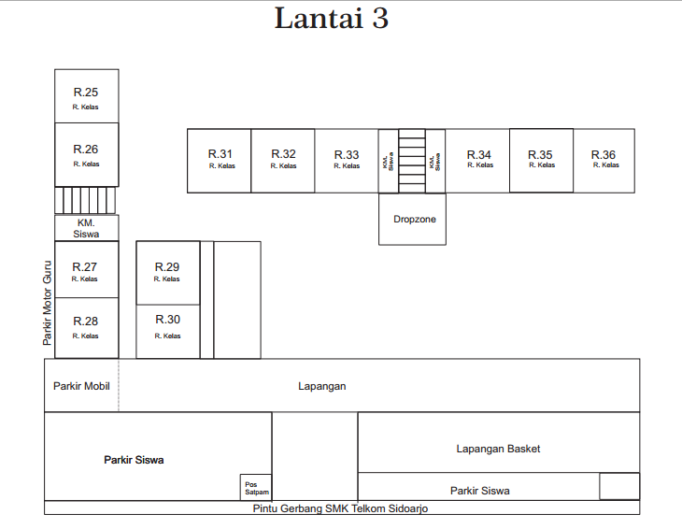
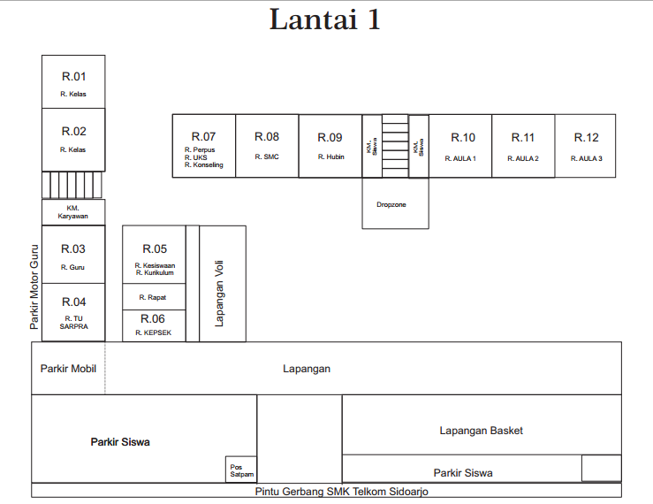
1
2
3
Nama Ruang | Kode | Kegunaan
Ruang 1 | R01 | Ruang Kelas X SIJA 2
Ruang 2 | R02 | Ruang Kelas X SIJA 1
Kamar Mandi 1 | RM01 | Kamar Mandi Karyawan
Ruang 3 | R03 | Ruang Guru
Ruang 4 | R04 | Ruang TU-SARPRA
Ruang 5 | R05 | Ruang Kesiswaan - Kurikulum
Ruang 6 | R06 | Ruang Kepsek
Ruang 7 | R07 | Ruang Perpus, UKS, Konseling
Ruang 8 | R08 | Ruang SMC
Ruang 9 | R09 | Ruang Hubin
Kamar Mandi 2 | RM02 | Kamar Mandi Siswi
Kamar Mandi 3 | RM03 | Kamar Mandi Siswa
Ruang 10 | R10 | Ruang Aula 1
Ruang 11 | R11 | Ruang Aula 2
Ruang 12 | R12 | Ruang Aula 3
Ruang 13 | R13 | Ruang Kelas X TJA 1
Ruang 14 | R14 | Ruang Kelas X TJA 2
Kamar Mandi 4 | RM04 | Kamar Mandi 4
Ruang 15 | R15 | Ruang Kelas X TJA 3
Ruang 16 | R16 | Ruang Kelas X TJA 4
Ruang 17 | R17 | Ruang Kelas X TJA 5
Ruang 18 | R18 | Ruang Kelas X TJA 6
Ruang 19 | R19 | Ruang Lab Fiber Optik
Ruang 20 | R20 | Ruang Lab Data Center
Ruang 21 | R21 | Ruang Lab Komputer
Kamar Mandi 5 | RM05 | Kamar Mandi 5
Ruang 22 | R22 | Ruang Lab Jaringan
Ruang 23 | R23 | Ruang Lab IoT
Ruang 24 | R24 | Ruang Kelas Kosong
Ruang 25 | R25 | Ruang Kelas XI SIJA 1
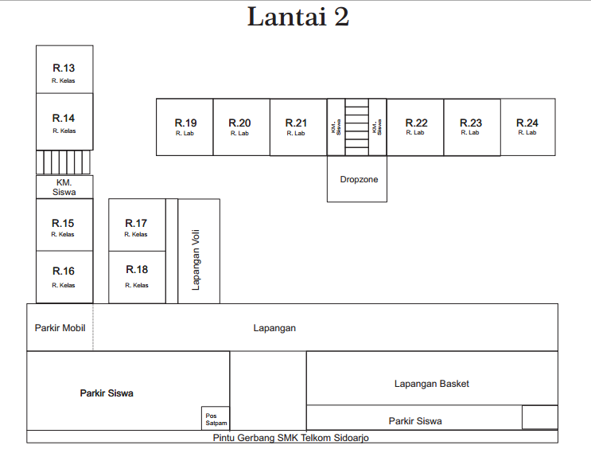
Ruang 26 | R26 | Ruang Kelas XI SIJA 2
Kamar Mandi 6 | RM06 | Kamar Mandi 6
Ruang 27 | R27 | Ruang Kelas XI TJA 1
Ruang 28 | R28 | Ruang Kelas XI TJA 2
Ruang 29 | R29 | Ruang Kelas XI TJA 3
Ruang 30 | R30 | Ruang Kelas XI TJA 4
Ruang 31 | R31 | Ruang Kelas XI TJA 5
Ruang 32 | R32 | Ruang Kelas XII TJA 1
Ruang 33 | R33 | Ruang Kelas XII TJA 2
Ruang 34 | R34 | Ruang Kelas XII TJA 3
Ruang 35 | R35 | Ruang Kelas XII TJA 4
Ruang 36 | R36 | Ruang Kelas XII TJA 5

